Instructions
 |  | B2B semantic format

File structure overview

This document is structured into several tabs: - The "tab Version " which allows you to consult the changes for each version delivered - The "tab Instructions "- L the dedicated tabs in the semantic format of the directory Each format includes the Directory feed structure

 | Column A “ID” : indicates the identifier of a field allowing it to be uniquely identified in order to follow its developments. The ID should not be changed.

 | Column B “Cardinality” : indicates the possible number of relationships between two elements of a data model. Its value can be single (1) or multiple (n).

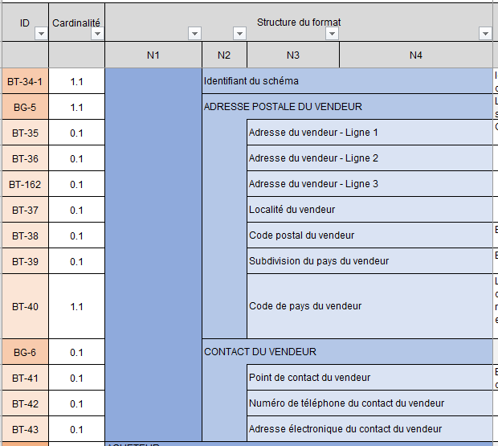
 | CDEF “Format structure” columns : present the tree structure of the semantic format.
 | The data is grouped into blocks, which can themselves be grouped into blocks: the whole constitutes the semantic format.

 |  |  | For example, the consultation format is made up of six blocks, containing data or sub-blocks of data, up to four tree levels. The blocks grouping the data are identified by an ID in the form DG (Directory Group) while the data are identified by an ID in the form DT (Directory Term).

 | GH columns “Path of the norm” : indicate the path of the data standard

 | IJ columns “Logical type” and “Length” : indicate the characteristics of each data. List of logical type values: Boolean, Date, identifier, list, number, text etc.

 | Column K “List of values & nomenclatures” indicates in the case of “list” type data all possible values. The values are detailed in the tab Appendix 7 - Management rules . In certain cases, a management rule can restrict the values

 | Column L “Management rule to be respected” : indicates the rule(s) for each data.

 | Column M “Business definition” : indicates the business definition of each data.

 | Column N “EN16931 usage note”: Indicates usage in the standard

 | Column O (Only for stream 1 formats) “Trajectory”: Indicates the data trajectory that will be requested at start-up or at target within the timeline defined by the reform

 | Column OP (Only for flow 2 formats): “EDI CPRO generic rules” & “EDI CPRO syntax rules” these are the specific management rules. Each management rule is codified and detailed in the Appendix 7 - Management rules .

 | PQ column (Uniquemet for flow 1 formats): “EDI CPRO generic rules” & “EDI CPRO syntax rules” : these are the specific management rules. Each management rule is codified and detailed in the Appendix 7 - Management rules. Codification of management rules: - G: Rules applied for all flow formats - S: Syntactic rules - P: Recommendation rule, i.e. good practices to be respected but which do not lead, if they are not, upon rejection of the flow

 | Column Q (Only for stream 2 formats): “Rules of standard EN16931 " : these are the management rules specific to the standard. Each management rule is codified and detailed in theAppendix 7 - Management rules.

 | Column R (Only for stream 1 formats): “Rules of standard EN16931 " : these are the management rules specific to the standard. Each management rule is codified and detailed in the Appendix 7 - Management rules.

 | Column R (Only for factur-X formats) Flow 2: “Profiles " : identification for each of the data of the associated Factur-x profile type.

 | Column S (Only for factur-X formats) Flow 1: “Profiles " : identification for each of the data of the associated Factur-x profile type.

